3.5.2.
Daftar Isi
Persentase Penduduk Umur 15 Tahun ke Atas Menurut Pendidikan yang Ditamatkan | Kemampuan Berbahasa Indonesia, Penggunaan Bahasa Daerah di Keluarga, Tetangga/Kerabat di Provinsi Bali
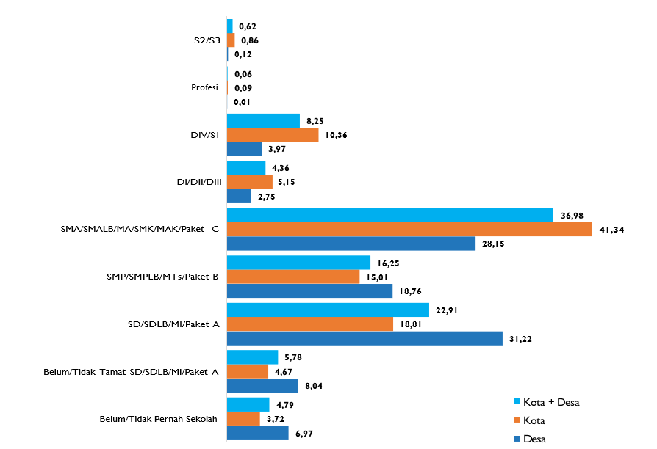
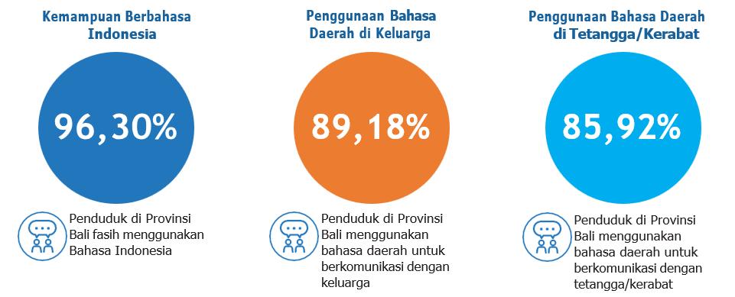

 | Kemampuan Berbahasa Indonesia, Penggunaan Bahasa Daerah di Keluarga, Tetangga/Kerabat Menurut Generasi di Provinsi Bali
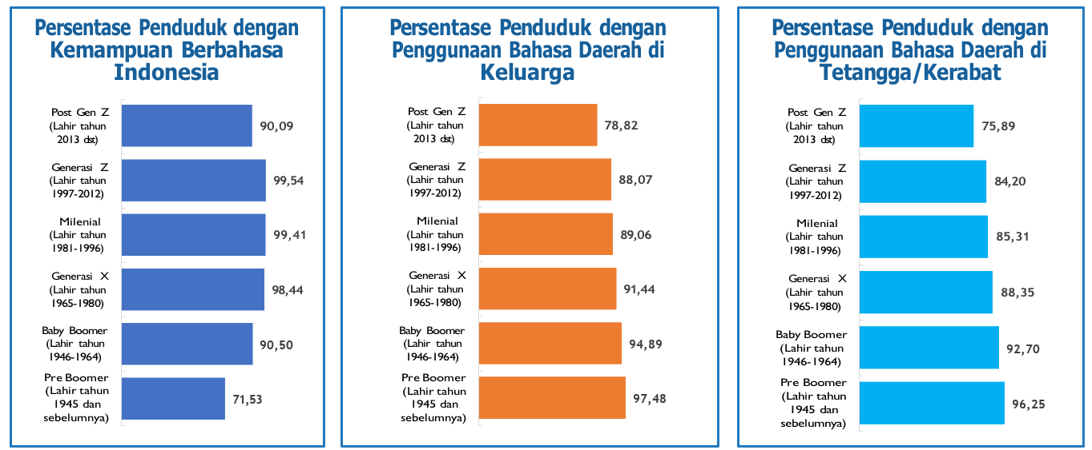

Tingkat Pendidikan yang Ditamatkan Pada Generasi Milenial, Generasi X, dan Baby Boomer di Provinsi Bali
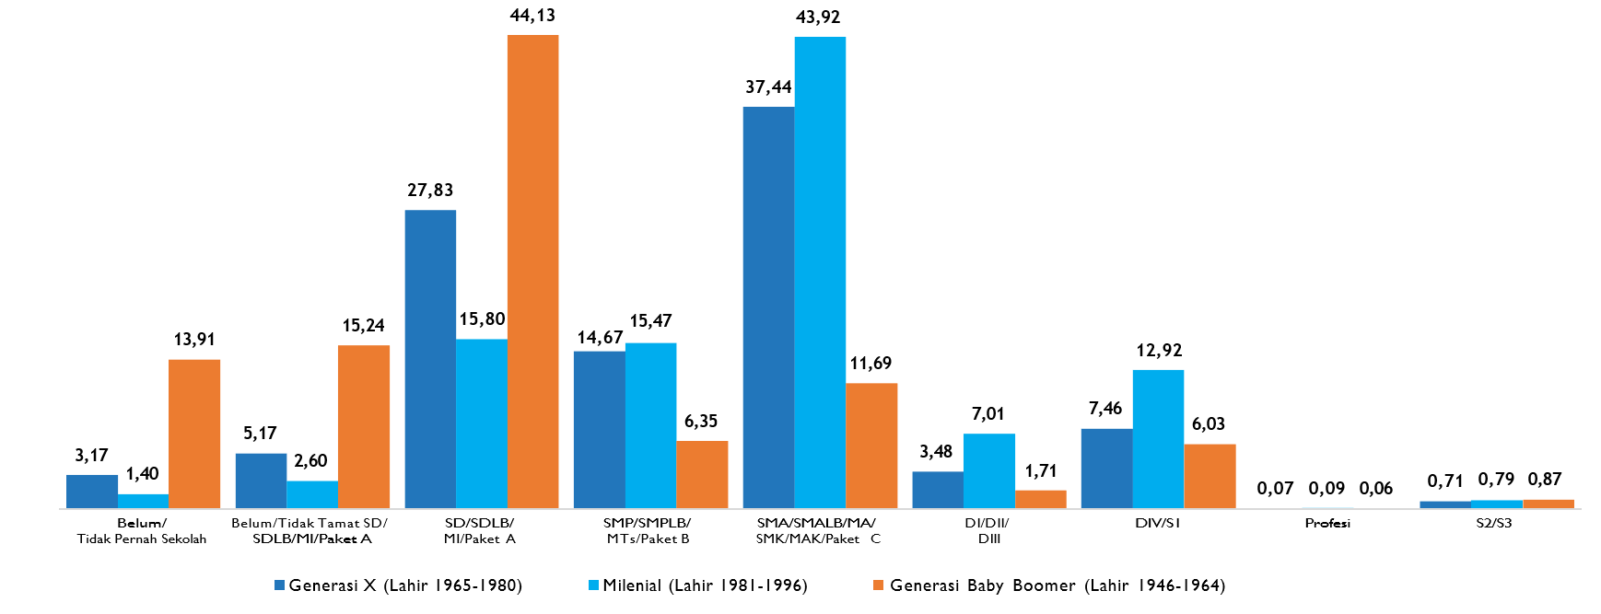

Source: Berita Resmi Statistik No. 08/01/51/Th. II, 30 Januari 2023

